Script
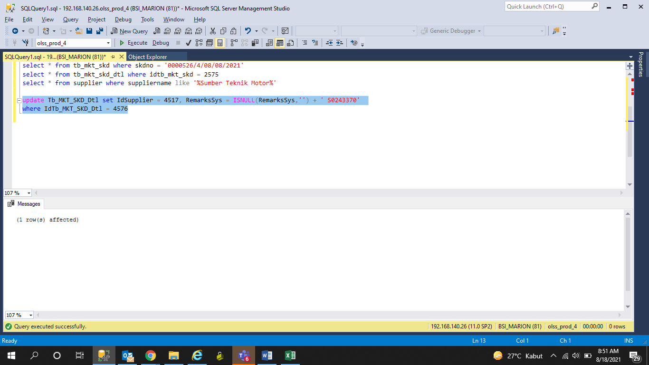
update Tb_MKT_SKD_Dtl set IdSupplier = 4517, RemarksSys = ISNULL(RemarksSys,'') + ' S0243370'
where IdTb_MKT_SKD_Dtl = 4576

Screenshot
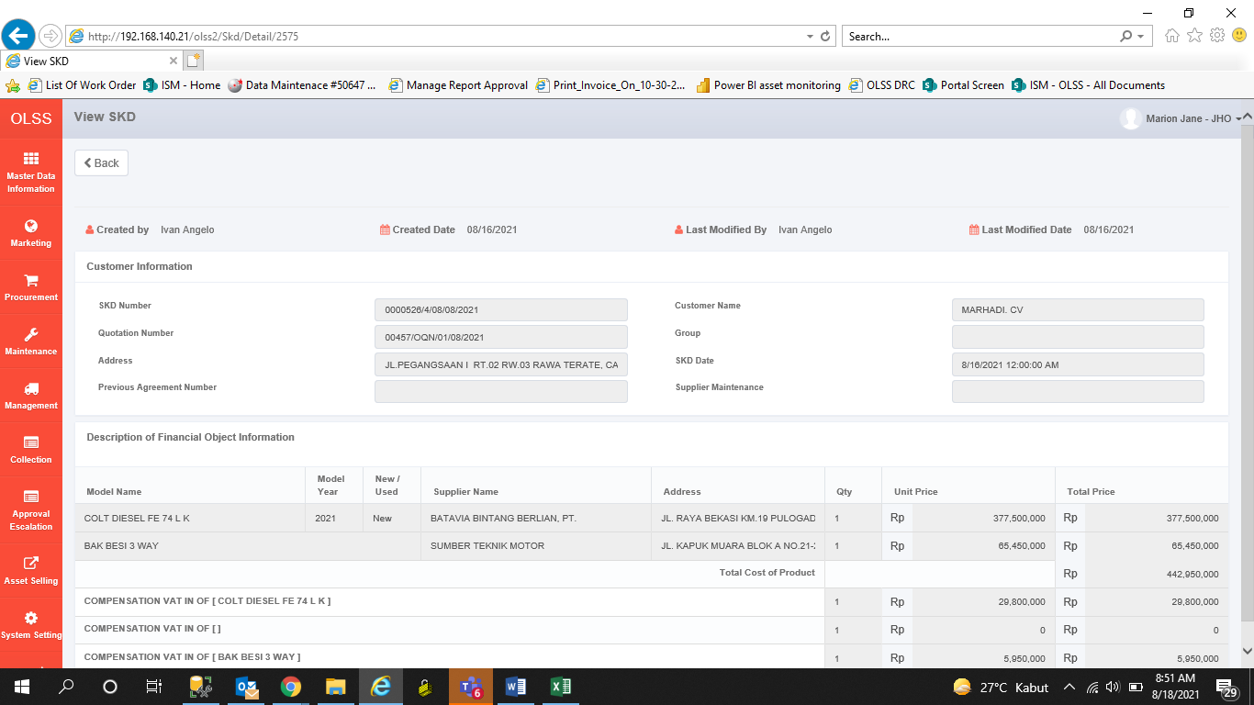
BEFORE
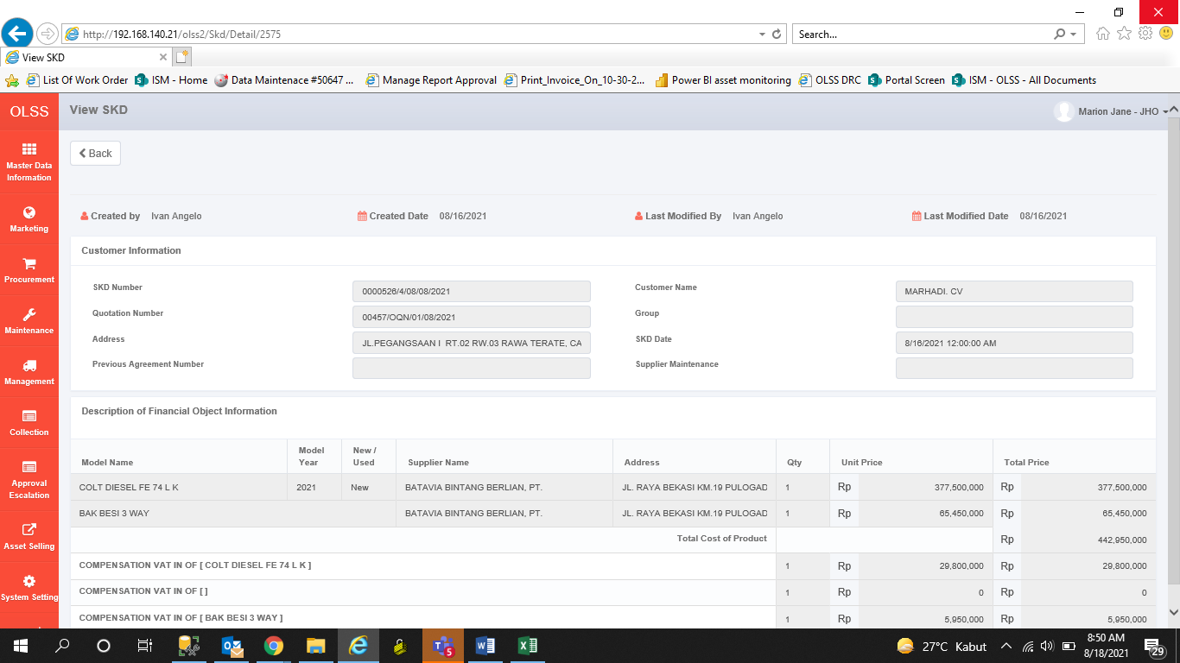

AFTER

